Plate Design
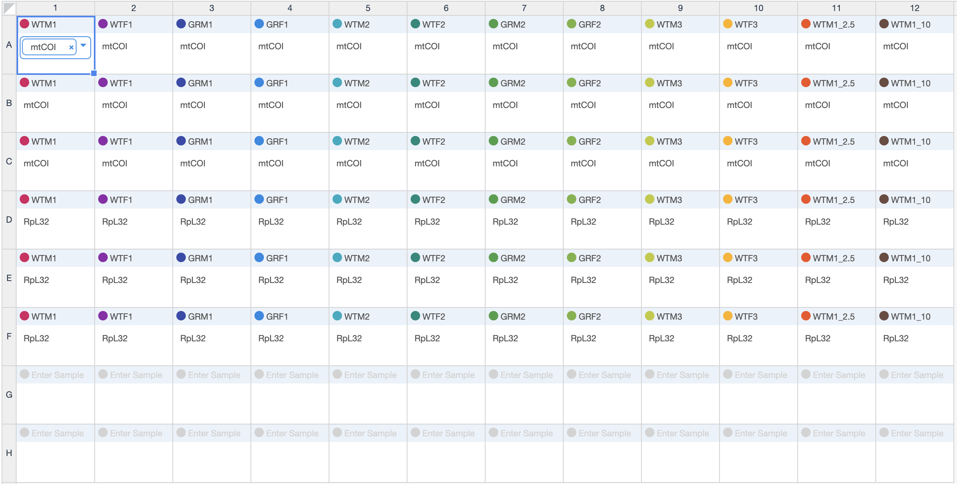
 | 1 | 2 | 3 | 4 | 5 | 6 | 7 | 8 | 9 | 10 | 11 | 12
A | Sample Primer Concentration Rep | Ex. TBPH 1 TBPH primer 5ng Rep1
B
C
D
E
F
G
H

